Sheet1
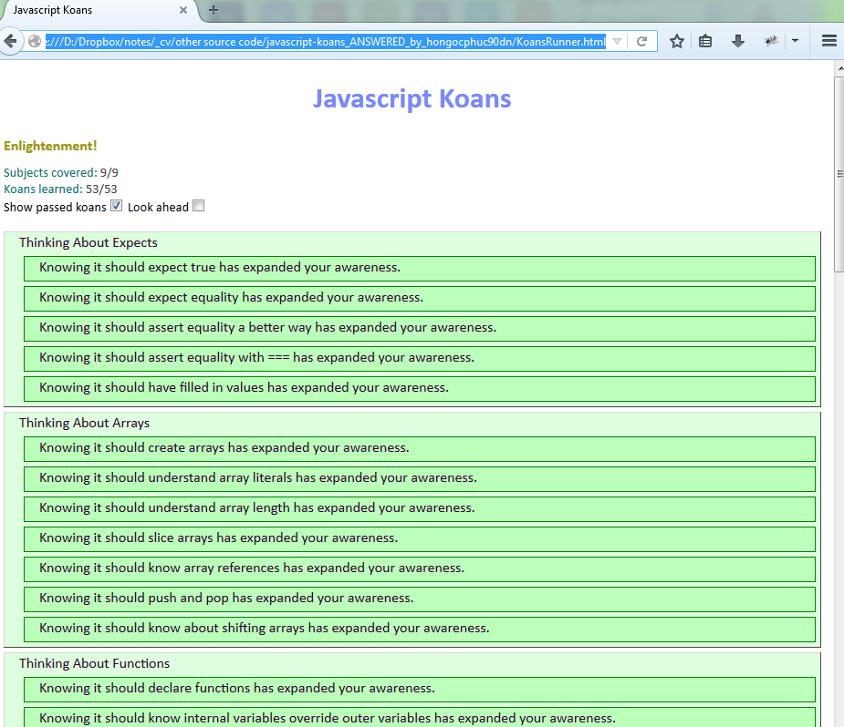
I. jasmine
 | jasmine is used for testing javascript
 | I learn jasmine from
 |  | https://github.com/jasmine/jasmine
 | Then I apply it to make a demo in folder "jasmine_demo"

II. javascript-koans
 | folder "javascript-koans" from https://github.com/mrdavidlaing/javascript-koans is designed based on jasmine to test and enhance knowledge about javascript
 | I've answer all questions from "javascript-koans" and put these answers at folder "javascript-koans_ANSWERED_by_hongocphuc90dn". Below screenshot is my result

